Instructions
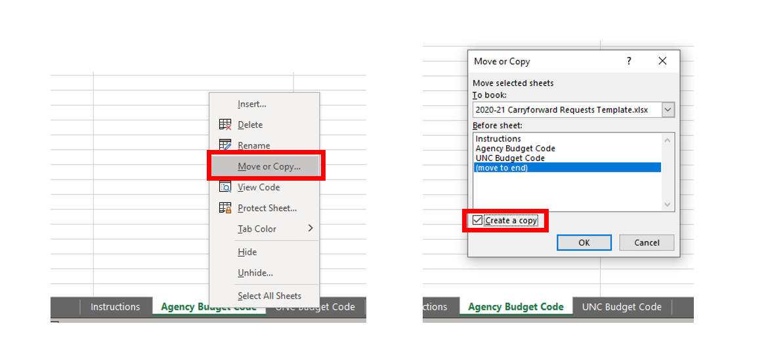
Instructions for Carryforward Requests
For Fiscal Year 2023-24

General Instructions
- Choose the appropriate carryforward template tab.
- Enter agency contact information in the header.
-Choose your budget code from the drop down box (Column A). Your agency/university name will automatically populate (Column D).
Only one budget code can be entered per sheet, so if you have mulitple budget codes you will need to copy the
worksheet. See instructions below - DO NOT COPY & PASTE
-Enter Budget Fund (Column B) and Chart of Accounts String (Column C). Please note: This does not apply to the Universities.
-Enter an item description (Column E).
-Choose the type of request from the drop down box (Column F).
-If the item is Category A, you must enter the legislative citation (Column G).
-Enter a justification (Column H).
-Enter the amount of the carryforward (Column H).
-If additional lines are needed, do not insert at the top or the bottom to ensure formatting stays consistent.

Category C Instructions (Encumbrances)
-Do not request carryforward for items that are less than $5,000 in total.
-Requests for POs that total $5,000 or more should be listed individually on the template.
-Requests for MOUs, contracts, grants, etc. should be listed individiually and include a descriptive justification.
-Back-up documentation for encumbrances must be provided.
-See carryforward job aid for additional information.

How to copy a worksheet (screen prints below)
-Right click on the the tab of the sheet you wish to copy
-Select Move or Copy
-Click Create a copy
-Select where you want to place the copy from the list
-Click OK
-You have created a copy of the worksheet with the same formatting as the original. The duplicated worksheet will have the
same name on the tab, plus a (2), (3), etc.
-Please DO NOT insert a new worksheet then copy and paste from the template; this will not produce a correct copy.
-Contact your OSBM execution analyst with questions.

